DUEL CUP FINAL
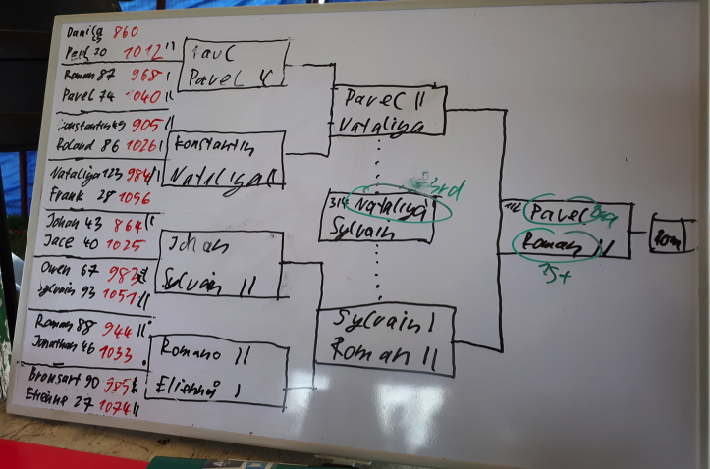
DUEL CUP
88 | Roman Zhavnirovskii | 1st place
74 | Pavel Peyrac Betin | 2nd place
123 | Nataliya Dolgikh | 3rd place

Danila Kharkov
Paul Maccarone
 | Paul Maccarone
 | Pavel Peyrac Betin
Roman Shlokov
Pavel Peyrac Betin
 |  | Pavel Peyrac Betin
 |  | Nataliya Dolgikh
Konstantin Malyshev
Roland Meyer-Speicher
 | Konstantin Malyshev
 | Nataliya Dolgikh
Nataliya Dolgikh
Frank Fingerhut |  | 3rd place throw off | Final
 |  | Nataliya Dolgikh | Pavel Peyrac Betin
 |  | Sylvain Guenugou | Roman Zhavnirovskii
Johan Aline
Jace Waterman
 | Johan Aline
 | Sylvain Guenugou
Owen Channer
Sylvain Guenugou
 |  | Sylvain Guenugou
 |  | Roman Zhavnirovskii
Roman Zhavnirovskii
Jonathan Grasset
 | Roman Zhavnirovskii
 | Etienne Morineau
Bronsart Ruddy
Etienne Morineau

